HUGO BOSS
 |  |  |  |  |  |  |  |  |  |  | 2440 |  | € 607,560.00
Manufacturer | Model Code | SKU | Item Number | Description | Frame Colour | Frame Material | GENDER | Lens Colour | Dimensions | Image | QTY | RRP | TTL RRP
HUGO BOSS | BOSS 1554/0/S 086 | 20628908656IR | 716736847733 | Hugo Boss Men's Sunglasses 1554 Havana/Grey Lens | Havana | Acetate | man | Grey | 54x18x145 |  | 600 | € 249.00 | € 149,400.00
HUGO BOSS | BOSS 1557/0/F/S A0Z62QT | 206292AOZ62QT | 716736847801 | Hugo Boss Men's Sunglasses 1557 Gold Metallic/Brown Lens | Gold Metallic | Metal | man | Brown Gradient | 62x16x150 | 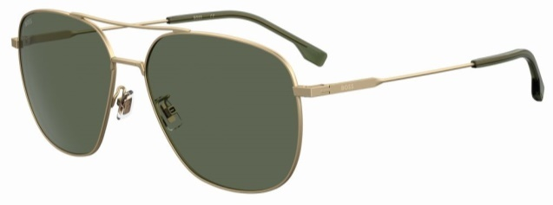 | 500 | € 249.00 | € 124,500.00
HUGO BOSS | BOSS 1558/0/F/S I4663IR | 206293I4663IR | 716736847818 | Hugo Boss Men's Sunglasses 1558 Black Metallic/Brown Lens | Black Metallic | Metal | man | Brown Gradient | 63x14x150 | 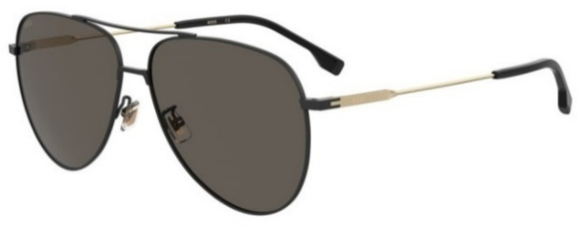 | 500 | € 249.00 | € 124,500.00
HUGO BOSS | BOSS 1557/0/F/S 6270 | 2062921OT6270 | 716736847795 | Hugo Boss Men's Sunglasses 1557 Bronze Metallic/Brown Lens | Bronze Metallic | Metal | man | Brown Gradient | 62x16x150 | 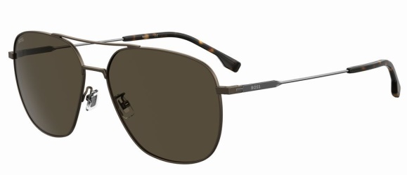 | 475 | € 249.00 | € 118,275.00
HUGO BOSS | BOSS 1555/0/F/S 56 QT 086 | 20629008656QT | 716736847757 | Hugo Boss Men's Sunglasses 1555 Havana/Green Lens | Havana | Acetate | man | Green Gradient | 56x20x145 | 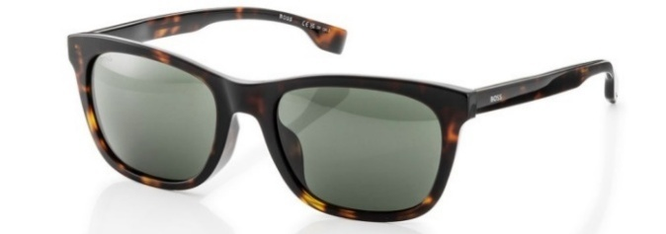 | 275 | € 249.00 | € 68,475.00
HUGO BOSS | BOSS 1555/0/F/S 56 IR 807 | 20629080756IR | 716736847764 | Hugo Boss Men's Sunglasses 1555 Black/Grey Lens | Black | Acetate | man | Grey Gradient | 56x20x145 | 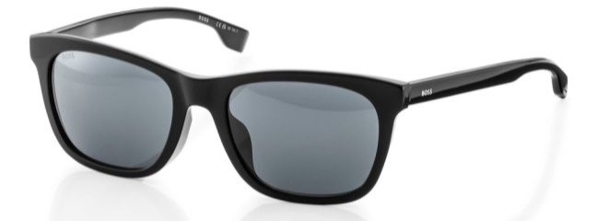 | 90 | € 249.00 | € 22,410.00

